w3 quiz
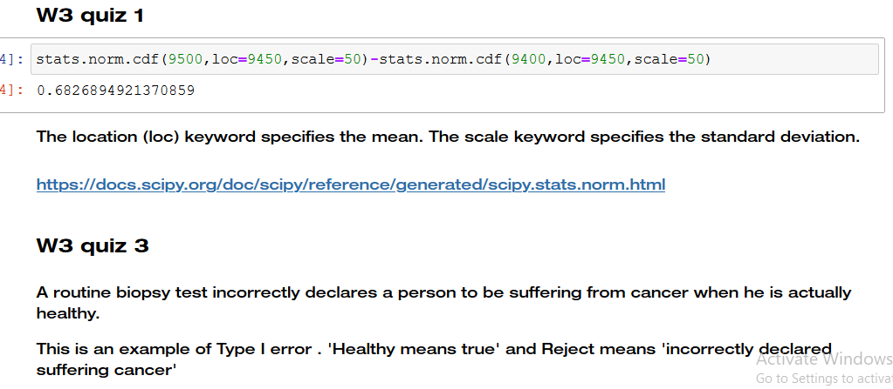

https://docs.scipy.org/doc/scipy/reference/generated/scipy.stats.norm.html
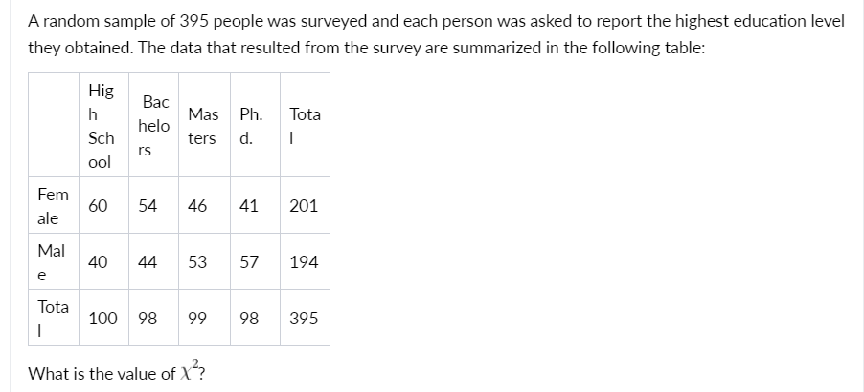
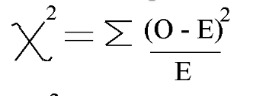

 |  | High School | Bachelors | Masters | Ph.d. | Total
 | Female | 60 | 54 | 46 | 41 | 201
 | Male | 40 | 44 | 53 | 57 | 194
 | Total | 100 | 98 | 99 | 98 | 395
 |  | O | E
 | FH | 60 | 50 | 2
 | FB | 54 | 49 | 0.51020408163
 | FM | 46 | 49.5 | 0.24747474747
 | FP | 41 | 49 | 1.306122449
 | MH | 40 | 50 | 2
 | MB | 44 | 49 | 0.51020408163
 | MM | 53 | 49.5 | 0.24747474747
 | MP | 57 | 49 | 1.306122449
 |  |  |  | 8.1276025562

